EMAIL CONTENT
 | Link to ALL Emails Document | Buyer Match Email Flow
Email | Sample Email Content | Data Points | Recipient(s) | Trigger (Steps Taken) | Platform to send Email | Next Steps (before Graham Leaves)
First time user - Welcome & Account Creation (docusign sends "account activation email" | Subject: Welcome to [eSignature System Name] - Start the eSign Process Date: [Date] Dear [Agent or Contact], Welcome to [eSignature System Name]! We are thrilled to have you as a new user. To get started, please activate your account and sign the document by clicking on the below: [Document Link] Once you have accessed this document, this link can be used at any time to regain access to this document. If you have any questions or need assistance, please don't hesitate to reach out to our support team at support@gryphtech.com . We're here to help! Best regards, [Agent Name] | Logo Styling Date (original doc creation) Agent Name Contact Name Document Title Document Link Support email eSignature System Name | - Agent (if no opt-in to sign now, and no signature on record) - eSign recipients | - New, Active Document - New Profile | ilist - use existing email templating infrastructure | - personlization datapoints (first, last, listing, etc) - NOTE - some might not have listing | Account setup = after signing "Frictionless" experience
Returning User: Signature Request | Subject: Signature Request: [Document Title] Date: [Date] Dear [Contact or Agent], I hope this email finds you well. I am reaching out to request your signature on an important document titled "[Document Title]." The document requires your review and electronic signature. Please carefully review the document's content and follow the instructions within the document to electronically sign it. Should you have any questions or concerns regarding the document, feel free to contact me directly. You can access the document by clicking on the link provided below: [Document Link] We kindly ask you to complete the signature process to ensure a timely completion of this agreement. Thank you for your prompt attention to this matter. Best regards, [Agent Name] | Logo Styling Date (original doc creation) Agent Name Contact Name Document Title Document Link eSignature System Name | All Signers REMOVE: - Wet, in-person signature - Agent, if opted to pre-sign before send |  | ilist - use existing email templating infrastructure
Individual Signee - Confirmation | Subject: Partial Completion - Signee Signature Confirmation: [Document Title] Dear [Agent or Contact], We are pleased to inform you that [Agent or Contact] signature in the workflow has been successfully recorded for the document titled "[Document Title]", and we are progressing to the next stages. The signing process and document are considered incomplete until all parties have signed. You can monitor status and access the final version of the document by clicking on the link below: [Document Link] Please keep a copy of this document for your records. If you have any questions or require further assistance, please feel free to reach out to us. Thank you for using [eSignature System Name] Best regards, [Agent Name] | Logo Styling Date (original doc creation) Agent Name Contact Name Document Title Document Link eSignature System Name | Agent |  | eSignature
Completion & Confirmation | Subject: Confirmation - Signing Complete: [Document Title] Date: [Date] Dear [Agent or Contact], We are pleased to inform you that all signatures are successfully recorded for the document titled "[Document Title]." The signing process has been completed, and the document is now considered finalized. You can access the final version of the document at any time by clicking on the link below: [Document Link] Please keep a copy of this document for your records. If you have any questions or require further assistance, please feel free to reach out to us. Thank you for using [eSignature System Name] Best regards, [Agent Name] | Logo Styling Agent Name Contact Name Document Link eSignature System Name | All Signers |  | eSignature
Cancellation - Termination | Subject: Cancellation of Document: [Document Title] Date: [Date] Dear [Agent or Contact], We regret to inform you that the document titled "[Document Title]" is now canceled and will no longer be proceeding. Due to a change in the document or circumstance, it has been determined that the existing document is no longer or valid or required. We apologize for any inconvenience this may cause. If you have already started the signing process but have not completed it, please disregard any previous email notifications regarding signature requests for this document. Should you have any questions or require further clarification, please feel free to reach out to [Agent] directly. We appreciate your understanding in this matter. Thank you for your attention to this notification. Best regards, [Agent Name] | Logo Styling Agent Name Contact Name Document Link eSignature System Name | All signers |  | ilist - use existing email templating infrastructure
Email Footer | Do Not Share This Email This email contains a secure link to the [eSignature System Name]. Please do not share this email or link with others. About [eSignature System Name] [Link Privacy Notice] Questions about the Document? If questions remain or there is a need to modify the document, please reach out to the Sender by contacting them directly. Stop Receiving This Email: [link] Report Spam | eSignature System Name Link Privacy Notice Link Report Spam

DOCUSIGN EMAIL EXAMPLES | DOCUSIGN EMAIL EXAMPLES

 | Sent to address NEVER signed | Sent to address HAS ALREADY signed |  | Carlos Signed?
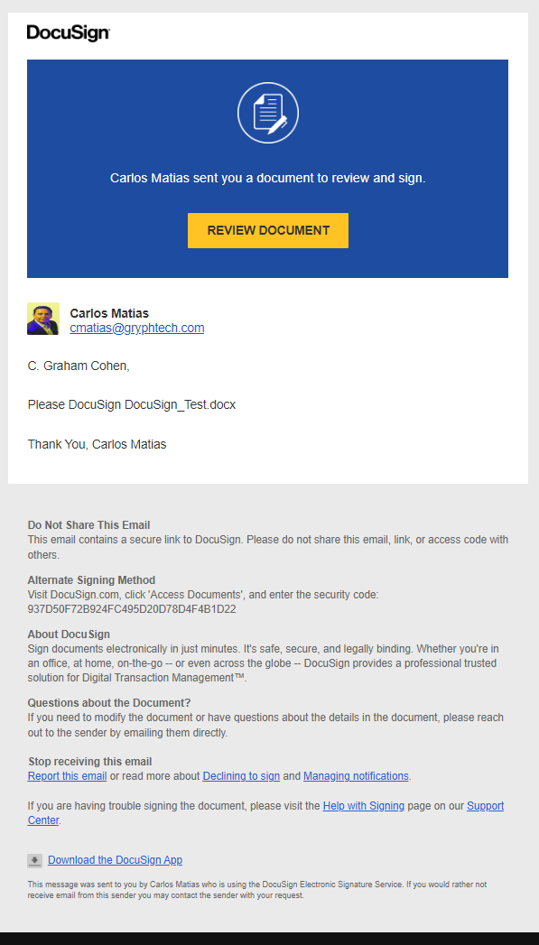
 |  |  |  | Did not receive notification

